DIRECTIONS
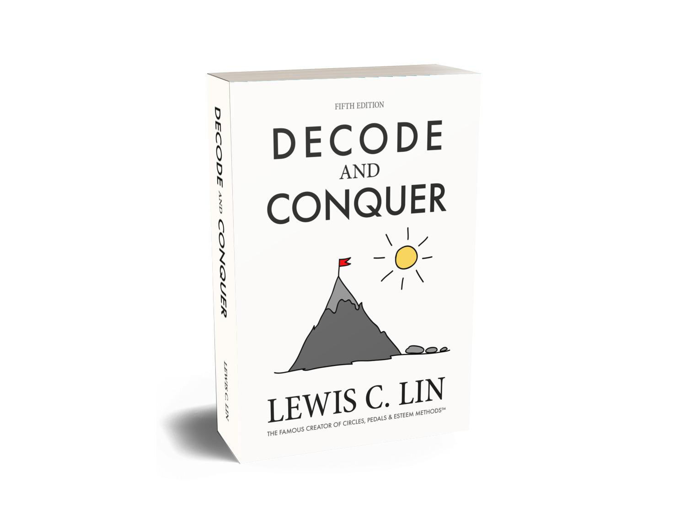 | Welcome to Lewis C. Lin's mock signup page Provided by Decode and Conquer + The Product Manager Interview Use this spreadsheet to find interivew practice partners
 | bit.ly/mock-signup

COMMUNITY RULES | Please follow these rules to maintain a respectful environment.
DIRECTIONS | Find this spreadsheet tab and add a new row with your available times, desired question types, and other instructions.
YOUR RESPONSIBILITY | By adding a new row to the spreadsheet, you agree to include your LinkedIn profile. This helps others understand your professional background, skills, and experiences, which will improve the quality of feedback and discussion during the mock interviews. You also agree to be the coordinator for your practice session. This means you are responsible for the meeting, including: 1. Send a Google Meet link to all participants 5 to 10 minutes before the scheduled time. 2. Prepare questions using this question bank: bit.ly/view-pm-ques. 3. Moderate and lead the meeting. You do not need to be an expert; just facilitate the discussion and provide feedback.
SUGGESTED AGENDA | First 5 min Introductions Next 25 min Questions to 1st Person (5-10 min. feedback) Next 25 min Questions to 2nd Person (5-10 min. feedback) Remaining 5 min Buffer
ADD/SEE INTERVIEW QUES | bit.ly/add-pm-ques
SCHEDULING TOOL | Use Calendly
VIDEO CONFERENCING | Google Meet
REPORT/SEE NO SHOWS | bit.ly/report-no-show

